1. Title Page
[Instacart Basket Analysis]

Project Name: Instacart Basket Analysis
Date: 06/01/2023
Analyst Name: Madeline Gamache

Contents:
Population Flow
Consistency checks
Wrangling steps
Column derivations
Visualizations
Recommendations

Data Citation:
Customer data, as well as the "prices" data, were both fabricated for the purpose of this project.
The Instacart Online Grocery Shopping Dataset 2017, Accessed from http://www.instacart.com/datasets/grocery-shopping-2017.

2. Population Flow
Title page

Population flow

Exclusion flag
Condition: max_order < 5
Obervations to be removed: 1,440,295
Final total count of high_actv_cust_merge: 3,0964,564

Orders_products_combined
Orders_products_merged
df_cust_merge

Total: 32,404,859
Total: 32,434,489
Total: 32,404,859

1.) The grey boxes in the first row of the population flow represent the original data sets as they were when you downloaded them. In the Total fields you need to add the count of the rows when you imported the data set into Jupyter.
2.) The second row of boxes (coloured) represents the data sets after you manipulated them, e.g., removed missing values and duplicates. In the Total fields you need to add the count of the rows after conducting these operations. This offers a visual oveview of how the data flows throughout the data consistency checks.
3.) The third row, where also the arrows are coloured, represents the merges you performed between the datasets. In the Total fields you need to add the count of the rows in the merged datasets, so that you end up with the final dataset (in the red box). Keep in mind the final dataset should be without exclusions (based on the exclusion flag).

3. Consistency checks
 |  |  |  | Title page
Consistency checks

Dataset | Missing values | Missing values treatment | Duplicates
orders | 206,209 missing values in 'days_since_prior_order' | No change was necessary, this identified the customers 1st order. | None.
products | 16 missing values from 'product_name' | The rows with missing values were dropped. | 5 duplicates dropped.
products | Several values in the "prices" column were unrealistically high at $14,900 or $99,999. This was only discovered in Task 4.9. | Following the advice given in Exercise 4.9, the 5127 prices were replaced. | None.
orders_products_prior | None |  | None.
customers | None |  | None.

4. Wrangling steps
 |  |  |  | Title page
Wrangling steps

Columns dropped | Columns renamed | Columns' type changed | Comment/Reason
eval_set from order.csv |  |  | Data not relevent for analysis
 | order_dow from orders.csv |  | Renamed order-day_of_week to be more descriptive
 |  | order_id from orders.csv | Since this isn't used for calculations, changed to str
 |  | user_id from orders.csv | Since this isn't used for calculations, changed to str
 | surname from customers.csv |  | Changed to last_name
 | First Name from customers.csv |  | Changed to first_name for uniformity
 | Gender from customers.csv |  | Changed to gender for uniformity
 | STATE from customers.csv |  | Changed to state for uniformity
 | Age from customers.csv |  | Changed to age for uniformity
 | n_dependants from customers.csv |  | changed to total_dependants for uniformity
 | fam_status from customers.csv |  | changed to marital_status for uniformity
first_name from customers.csv |  |  | Contained PII security risk
last_name from customers.csv |  |  | Contained PII security risk

5. Column derivations
 |  |  |  |  | Title page
In this tab you should add tables below that the frequences of flags/label variables that you produced after deriving them. NB: don't do this for continuous variables, only for flags.
Column derivations and aggregations

Dataset | New column | Column/s it was derived from | Conditions | Frequency
products | price_range_loc | prices | 'price <= 5 : 'Low range product', price > 5 and <= 15 : 'Mid range product', price > 15: 'High range product' | Low range: 9,900,417, Mid range: 21,860,860, High Range: 643,582
orders | busiest_day | orders_day_of_week | orders_day_of_the_week 0 = 'Busiest day', 4 = 'Least busy', else: 'Regular day' | Least busy: 3,783,802, Regularly busy: 22,416,875, Busiest day: 6,204,182
orders | busiest days | orders_day_of_week | orders_day_of_the_week 0 or 1 = 'Busiest days', 4 or 3 = 'Slowest days ', else: 'Regularly busy' | Least busy: 7,624,336 Regularly busy: 12,916,111 Busiest Days: 11,864,412
ords_prods_merged | busiest_period_of_day | order_hour_of_day | value >= 10 & <= 16 : 'Most orders', value <6 = 'Average orders', else: 'Fewest orders' | Least orders: 1,289,137 Average orders: 9,997,651 Most orders: 21,228,071
ords_prods_merged | mean_price | user_id & prices | Dataframe grouped by 'user_id' and transformed by mean of 'prices'
ords_prods_merged | loyalty_flag | max_orders | max_orders > 40 = 'Loyal customer', 40 >= max_order > 10 : 'Regular customer', else: 'New customer' | New customer: 6,243,990 Regular customer: 15,876,776 Loyal customer: 10,284,093
ords_prods_merged | spending_flag | mean_prices | mean_prices < 10 : 'Low spender', >=10 : 'High-spender' | Low spender: 31,770,614 High spender: 634,245
ords_prods_merged | max_order | order_number | Dataframe grouped by 'user_id' and 'order_number' transformed into maximum of 'order_number'
ords_prods_merged | median_prior_order | days_since_prior_order | Dataframe grouped by 'user_id' and 'days_since_prior_order' transformed into median of 'days_since_prior_order'
ords_prods_merged | frequency_flag | median_prior_order | >20: 'Non-frequent customer', <= 20 & >10: 'Regular customer', <=10: 'Loyal customer' | Non-frequent customer: 3,636,442 Regular customer: 7,208,564 Frequent customer: 21,559,853
df_cust_merge | region | state | Grouped according to wikipedia link in directions | South: 10,791,885 West: 8,292,913 Midwest: 7,597,325 Northeast: 5,722,736
df_cust_merge | age_profile | age | age < 35 = Young Adult, 35 - 64 = Middle-Aged, 65 >= Senior | Young: 9,146,419 Middle-aged: 14,683,356 Senior: 8,575,084
df_cust_merge | income_profile | income | income < 75000 : 'low-income', income 75000 to < 125000 : 'mid-income', income >= 125000: 'high-income' | Low income: 10,442,766 Mid income: 13,331,136 High income: 8,630,957
df_cust_merge | pet_profile | department_id | No_pet' = No orders from department 8, Else: 'Has_pet' | No pet: 28,876,718 Pet owner: 3,528,141
df_cust_merge | diet_style | department_id | Vegetarian' = no orders from department 12, 'Vegan' = 'no orders from departhemts 12 and 16', else: Meat-consumer | Vegan: 383,427 Vegetarian: 8,258,813 Meat-consumer: 23,762,619
df_cust_merge | dependants | total_dependants | number_dependants = 0: 'No dependants', number_dependants >= 1 'Has dependants' | No dependants: 8,097,503 Has dependants: 24,307,356

6. Visualizations
 |  |  |  |  |  |  | Title page

Visualisations

In this tab you should include all the visualtions from Exercises 4.9 and 4.10, alongside the questions from the project brief that they answer. Include any commentary on the relationship between different variables.

Key Question 1: When are the busiest days of the week and the busiest hours of the day? (Goal: Schedule ads at times when there a fewer orders)
Key Question 2: Are there particular times of the day when people spend more money? (Goal: Could help inform what types of products to advertise at these times)
Key Question 3: What is a simpler way to group price ranges? (Goal: Help marketing and sales direct their efforts)
Key Question 4: Are certain types of products more popular than others? Which departments have the highest frequency of product orders?
Key Question 5: What are different types of customers and how are their ordering behavior different?
Key Question 5.1: What is the distribution among users in regards to their brand loyalty? (How oftend do they return to Instacart?)
Key Question 5.2: Are there differences in ordering habits based on a customer's loyalty status?
Key Question 5.3: Are there differences in ordering habits based on a customer's region?
Key Question 5.4: Is there a connection between age and family status in terms of ordering habits?
Key Question 5.5: What different classifications does the demographic information suggest? (Age? Income? Certain types of goods? Family status?
Key Question 5.6: What differences can you find in ordering habits of different customer profiles?




1. When are the busiest days of the week and the busiest hours of the day?
Bar chart visualization of busiest days of the week numbered 0-6.
0 = Saturday
1 = Sunday
2 = Monday
3 = Tuesday
4 = Wednesday
5 = Thursday
6 = Friday
Buesiest days of the week are Saturday and Sunday, followed by Friday. Orders are less busy during the weekdays.
1. cont...
Histogram of busiest hours of the day.
0 = 12:00am
5 = 5:00am
10 = 10:00am
15 = 3:00pm
20 = 8:00pm
Peak hours are from 9:00am-4:00pm. Slowest time of day is from 12:00am - 6:00am.


2. Are there particular times of the day when people spend more money?
The line chart on the right shows the average price of items ordered during certain hours of the day. There is a lot of variablility of average price before 8:00am. This is due to the low amount of orders placed at these hours make outliers more significant. The first hour of the busiest period of the day 10:00am has the lowest average price per item.

3. What is a simpler way to group price ranges?
price <= 5 : 'Low range product'
price > 5 and <= 15 : 'Mid range product'
price > 15: 'High range product'

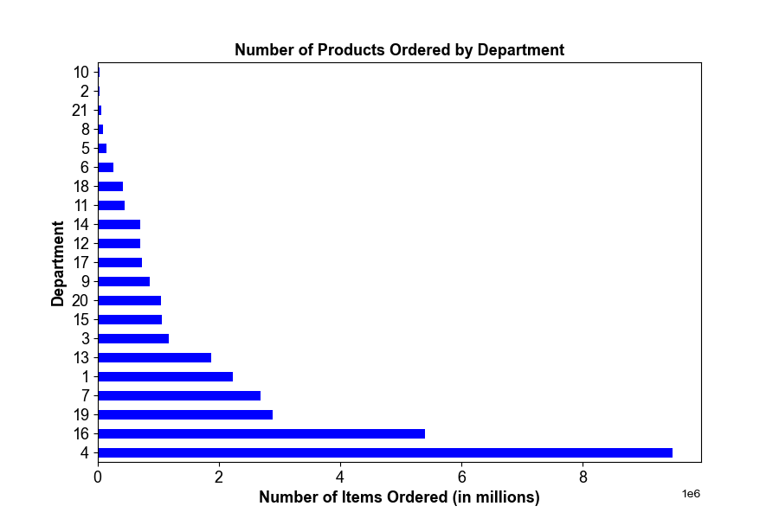
4. Are certain types of products more popular than others? Which departments have the highest frequency of product orders?
1: frozen
2: other
3: bakery
4: produce
5: alcohol
6: international
7: beverages
8: pets
9: dry goods pasta
10: bulk
11: personal care
12: meat/seafood
13: pantry
14: breakfast
15: canned goods
16: dairy/eggs
17: household
18: babies
19: snacks
20: deli
21: missing
"Produce", "dairy/eggs", and "snacks" are the most popular types of products.

5.What are different types of customers and how are their ordering behavior different?
See answers to 5.1 - 5.6

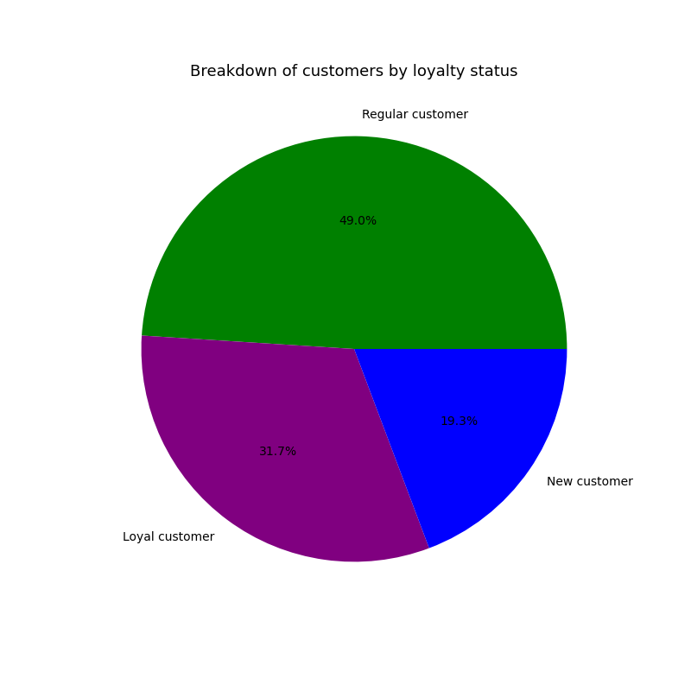

5.1: What is the distribution among users in regards to their brand loyalty? (How oftend do they return to Instacart?)
New customers (less than 10 orders): 19.3%
Regular customers (between 10 and 40 orders): 49%
Loyal customers (over 40 orders): 31.7%

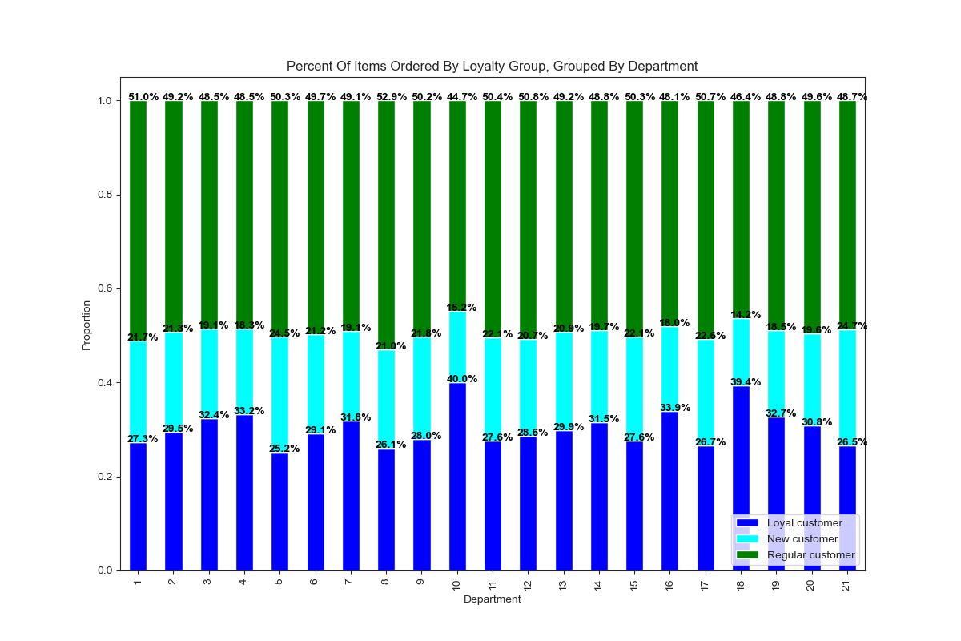
5.2 Are there differences in ordering habits based on a customer's loyalty status?
1: frozen
2: other
3: bakery
4: produce
5: alcohol
6: international
7: beverages
8: pets
9: dry goods pasta
10: bulk
11: personal care
12: meat/seafood
13: pantry
14: breakfast
15: canned goods
16: dairy/eggs
17: household
18: babies
19: snacks
20: deli
21: missing
The loyal customers seem to be shopping the most in "bulk" and "babies department.
New customers seem to shop the most in "alcohol" and "household"
Regular customers seem to shop the most in "pets" and "frozen"

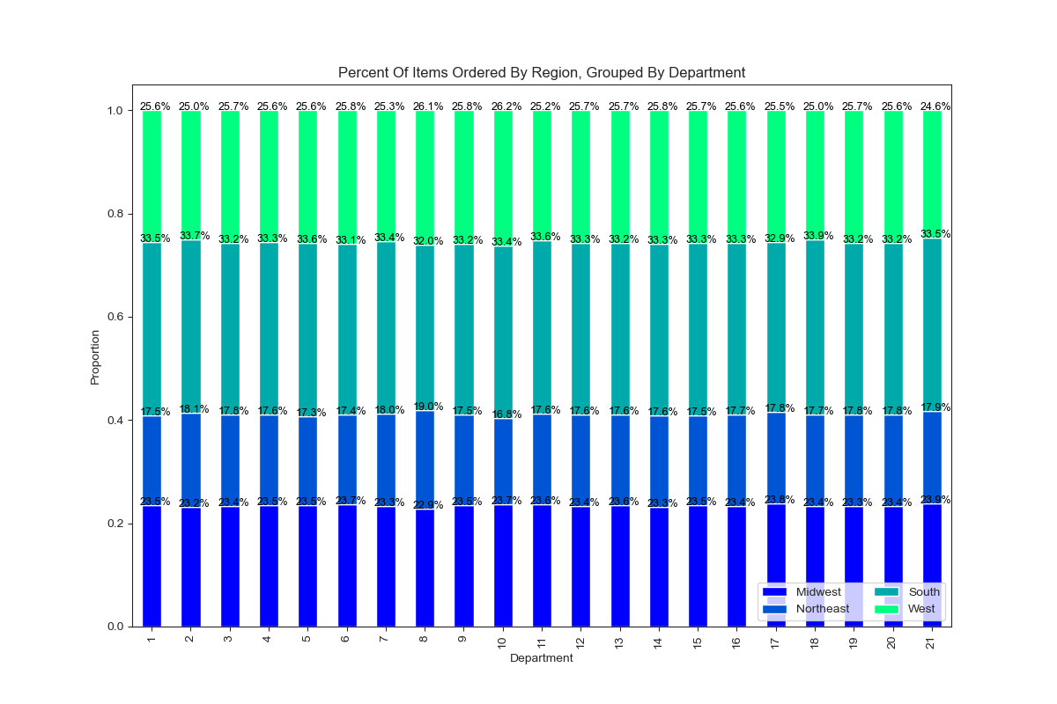

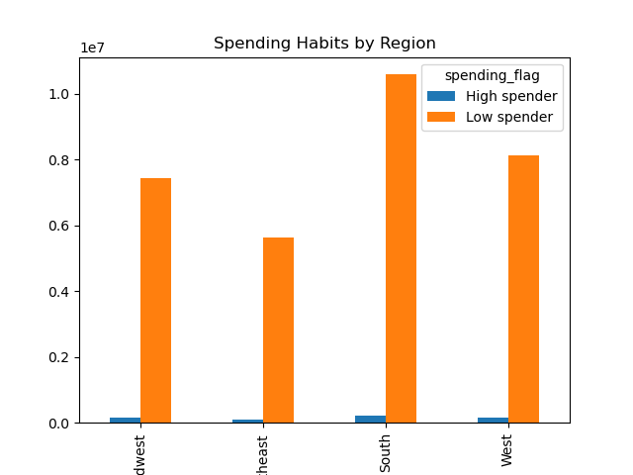
5.3: Are there differences in ordering habits based on a customer's region?
The grouped bar chart indicates that there is a low proportion of high spenders and a large proportion of low spenders across all regions. It makes sense the South region is the largest due to the size of it State populations.
The stacked bar chart indicates that there is very little difference in items ordered from different departments based on region.
Both of these charts indicate there is no difference in ordering habits based on region.

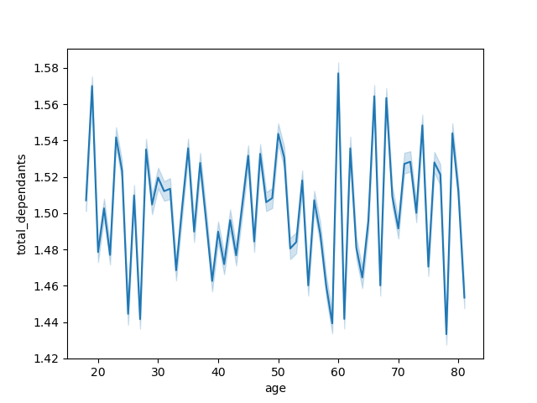

5.4: Is there a connection between age and family status in terms of ordering habits?
Line chart of average number of dependants versus the age of the customer. The mean number of dependants is 1.5 dependants per customer. No strong relantionship can be seen between the two variables.
Observation: The spike in total dependants at the age of. 60 could indicate adult childrent now caring for their elderly parents, which could influence shopping habits and product choices.

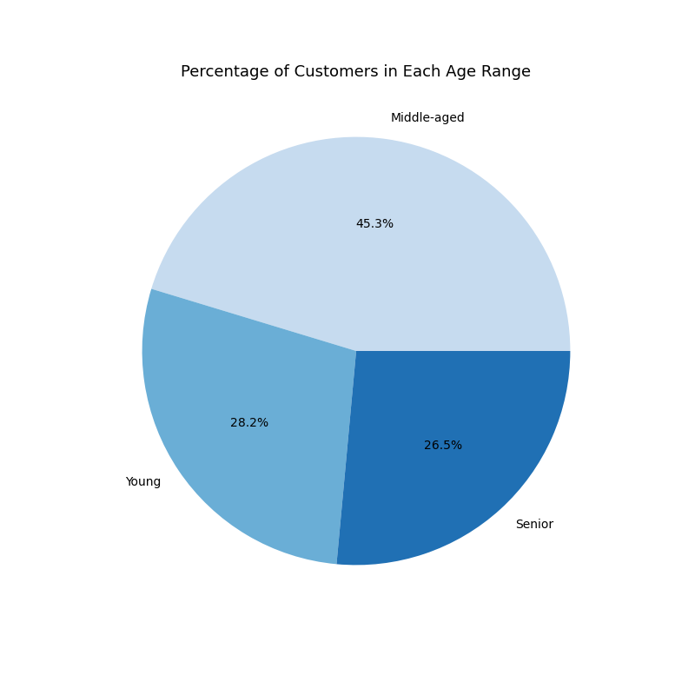
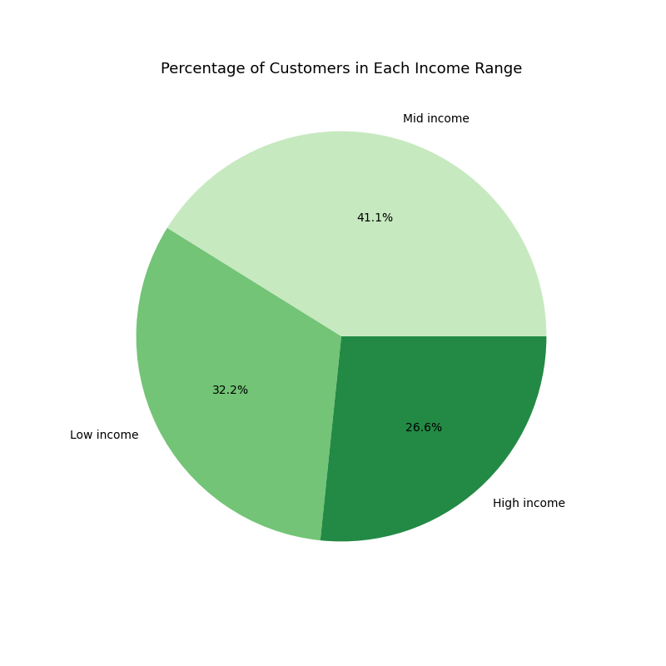

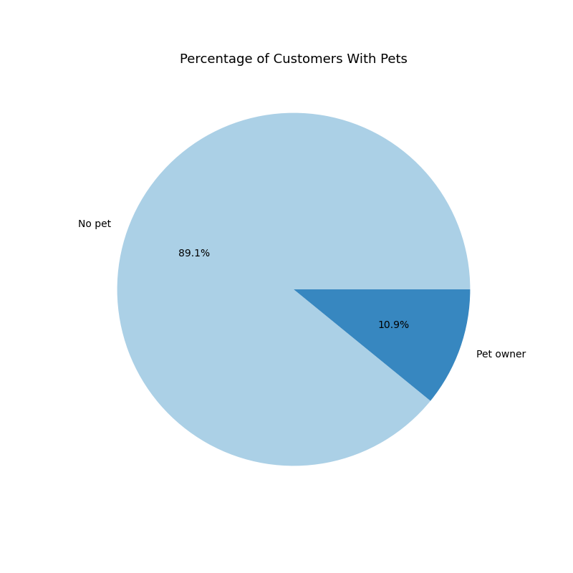
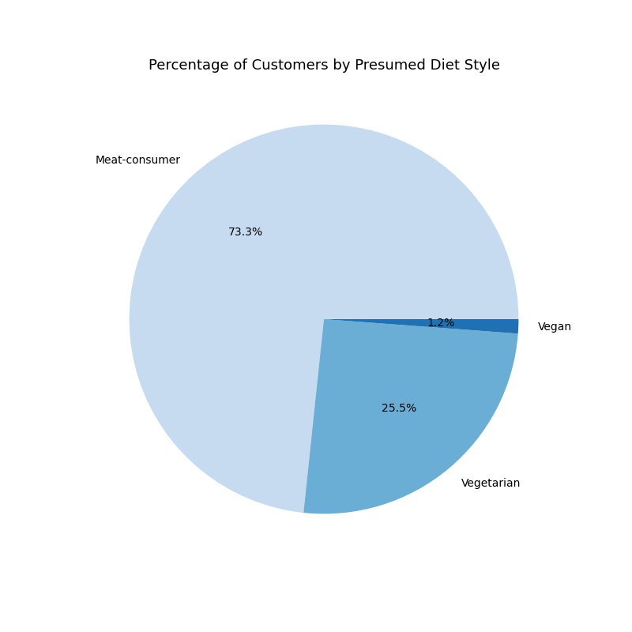
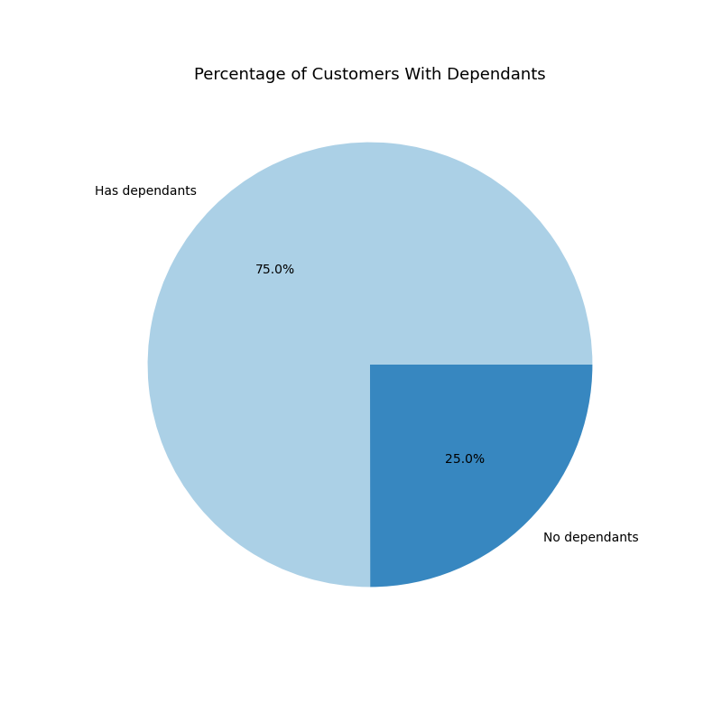
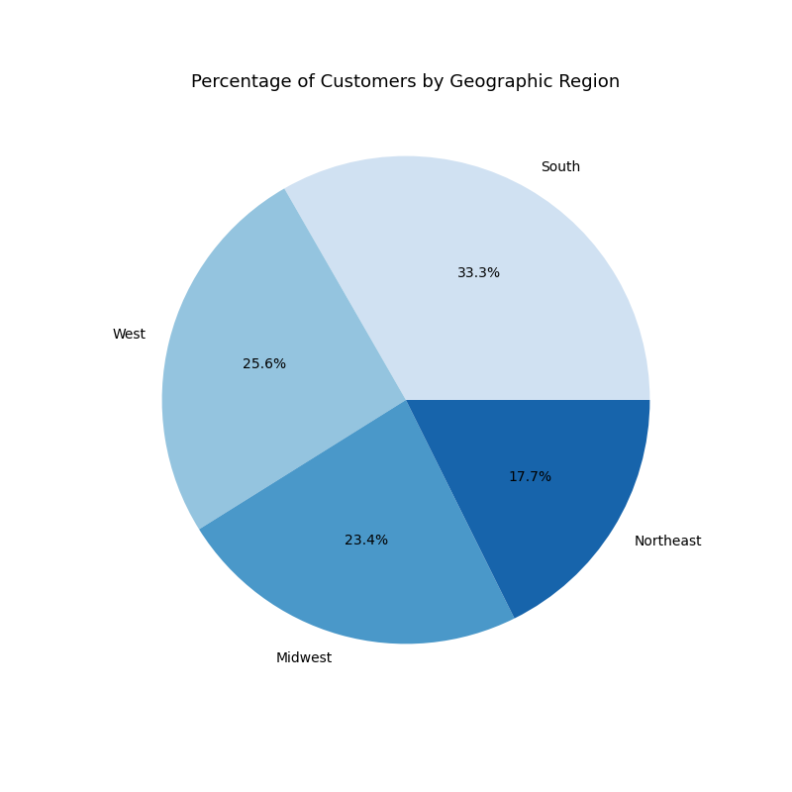
5.5: What different classifications does the demographic information suggest? (Age? Income? Certain types of goods? Family status?)
I created normalized customer profiles based on Age, Income, Pet ownership, (presumed) Diet Style, and whether or not they have dependants.
The majority of customers are middle aged, make between $75k and $125k, don't own pets, eat meat, and have 1 or more dependants.
The scatterplot indicates the trend of only people 40 and over having an income of above $400k. The majority of instacart customers make under $200k.



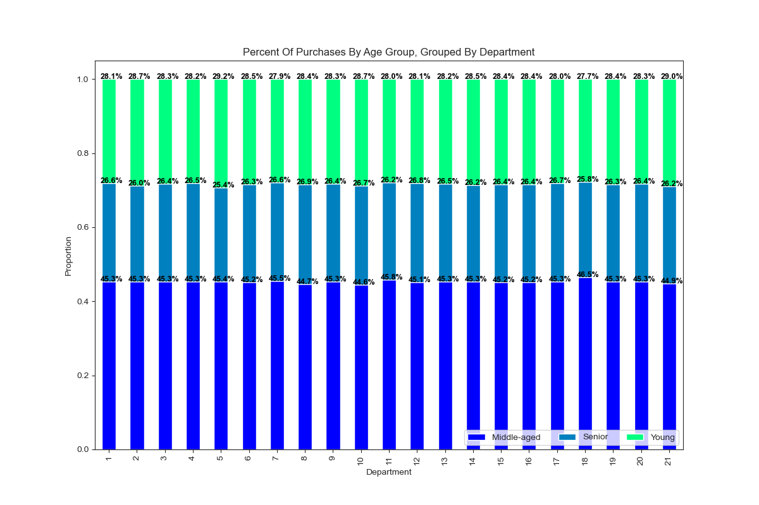
5.6: What differences can you find in ordering habits of different customer profiles?
First, I looked at the differences in profiles for different regions. Each of these graphs shows the frequency of the profiles within each region. There were no noticeable differences found and the profiles were consistent across all regions.
Second, I looked at the difference in profiles for different departments.
- Age profile: The stacked bar chart shows that different age groups buy items from different departments at similar rates.
- Income profile: There are slight differences in departments 7, 10, 14, 17, and 19 where the low income group is the highest spender.
- Pet Profile: Pet owners spend relatively more on departments 1, 7, 8 (where they are the only spenders), 11, 13, and 17. They spend less on 4, and 16.
- Diet Style: The greatest differences in departments come when comparing vegans, vegetarians, and meat-consumers.Vegans spend relatively more money in department 5 than any other department.
- Dependants: Different dependants groups buy products from different departments at similar rates except for little differences in 5, 8, and 10.
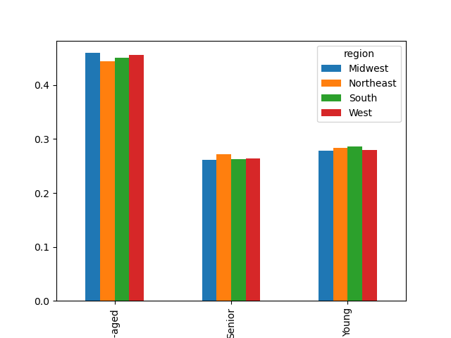
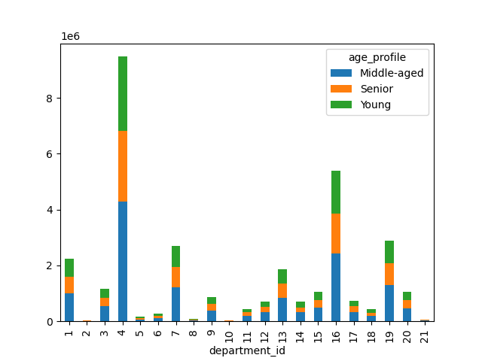

 | Age:

 |  | Mid-aged

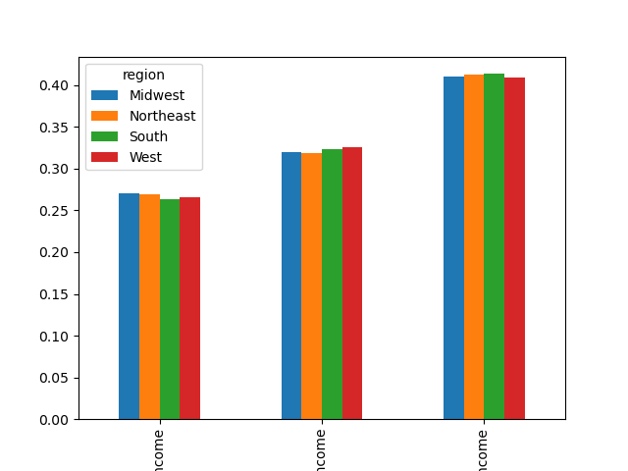
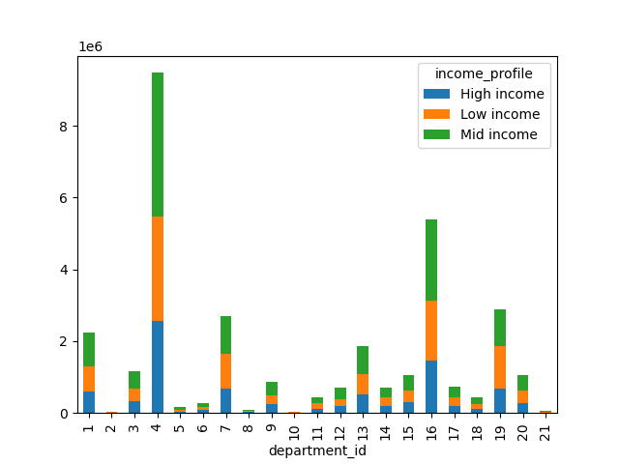
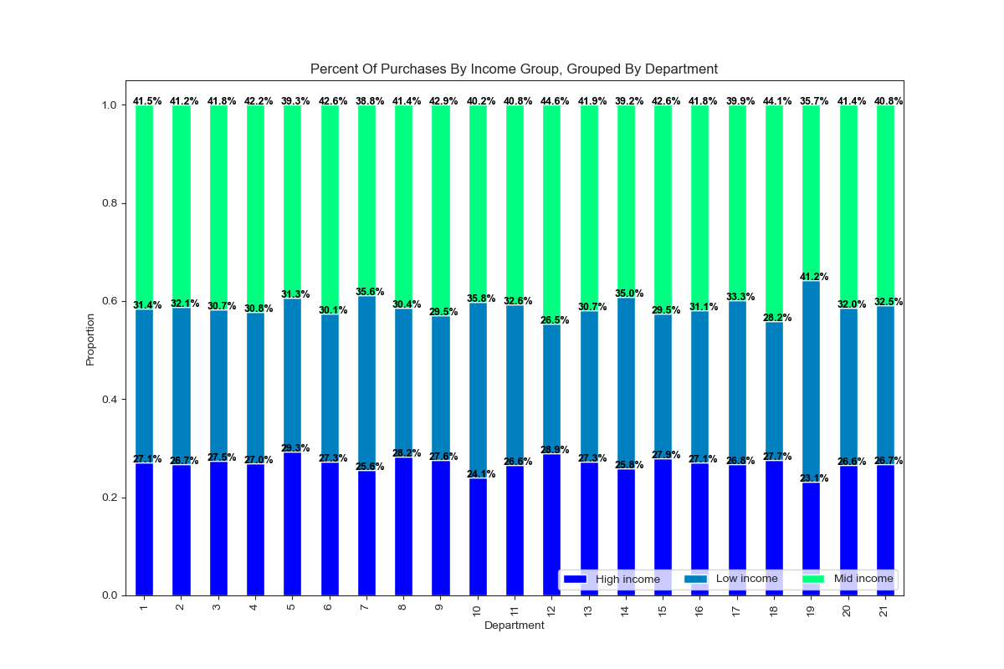

 | Income

 |  | High income |  | Low income |  | Mid income

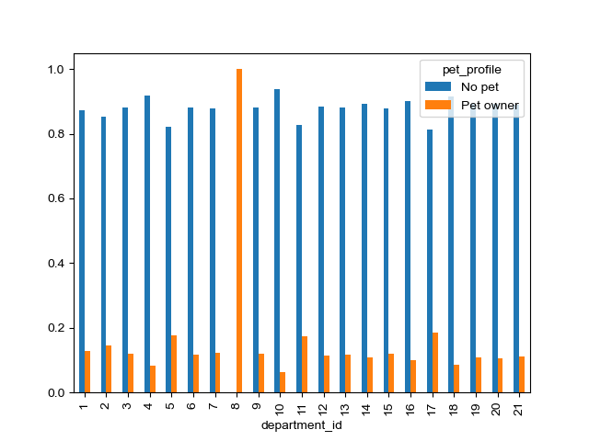
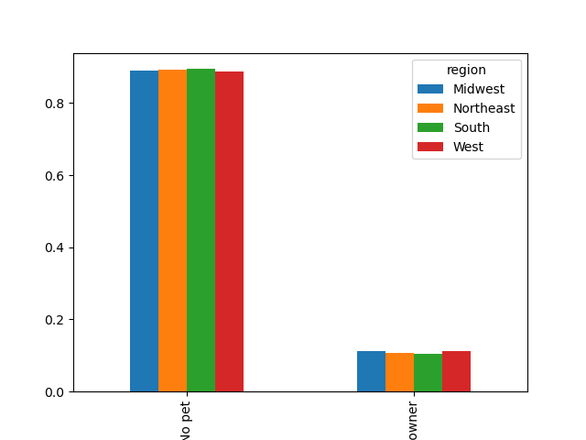
 | Pet

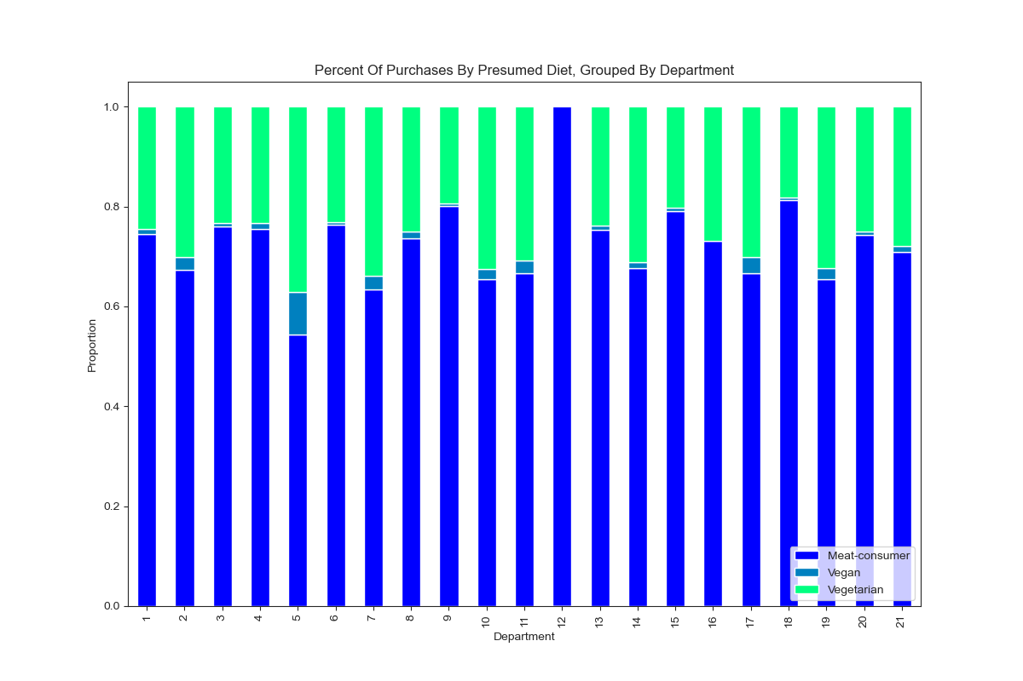
 |  |  | No pet |  | Pet owner

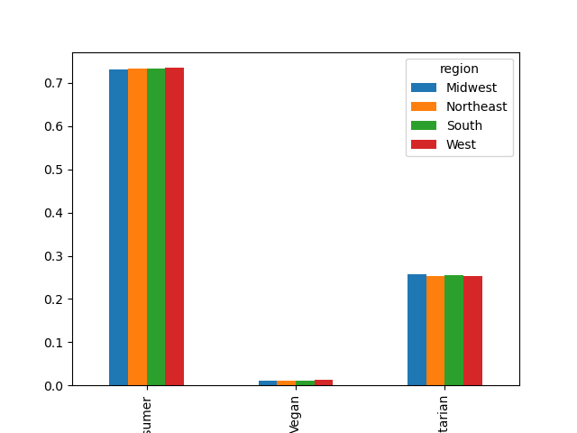
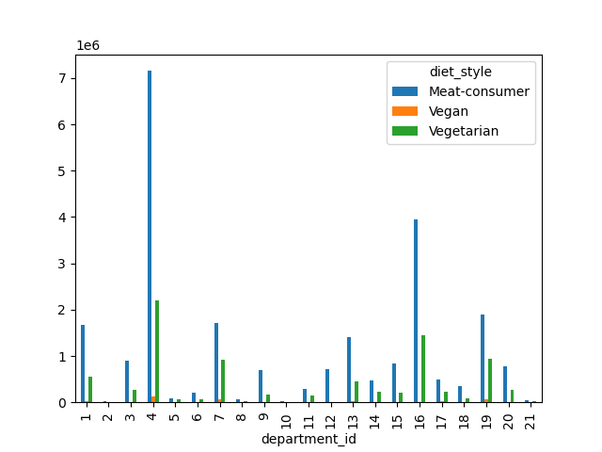
 | Diet Style

 |  | Meat consumer |  |  |  | Vegetarian
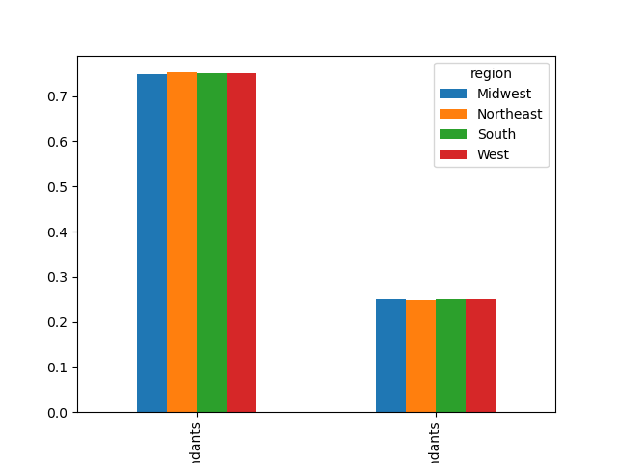
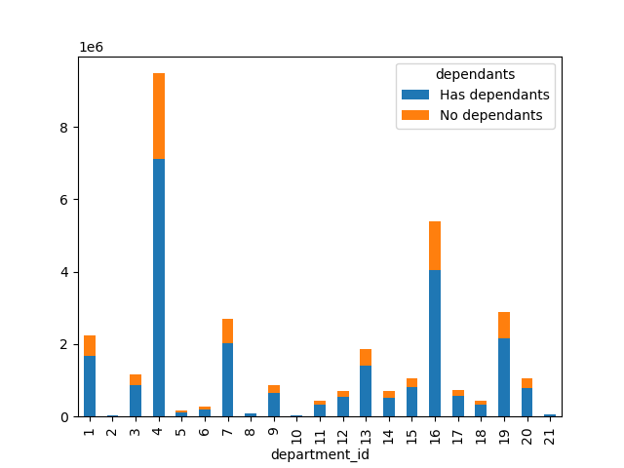

 | Dependants

 |  |  | Has depeendants |  |  | No dependants

7. Recommendations
 |  | Title page

Recommendations

In this tab you should include any recommendations you would made to Instcart in terms of their marketing strategy based on the questions posed in the brief. Every key question has been covered in the Tasks of the Exercises - here you need to add an item - a visualisation or table/crosstable that is showing the answer in the data, acompanied by a comment from you. Please, list the questions below and add the answer underneath.

Key Question 1: When are the busiest days of the week and the busiest hours of the day?

Busiest days of the week are Saturday and Sunday, followed by Friday.
Peak hours are from 9:00am-4:00pm.
Recommendation: To increase sales and maximize advertisement opportunity, Instacart should run ads on Tuesday and Wednesday (the slowest days of the week) during the evening hours (after 4:00pm) when sales start to decrease but people are still awake to see the ad.

Key Question 2: Are there particular times of the day when people spend more money?

There is a lot of variablility of average price before 8:00am. This is due to the low amount of orders placed at these hours make outliers more significant. The first hour of the busiest period of the day 10:00am has the lowest average price per item.
Recommendation: Instacart should place more ads for high-priced items in the early morning hours from 4:00am until 8:00am.

Key Question 3: What is a simpler way to group price ranges?

price <= 5 : 'Low range product'
price > 5 and <= 15 : 'Mid range product'
price > 15: 'High range product'
 | price <= 5 : 'Low range product'
 | price > 5 and <= 15 : 'Mid range product'
 | price > 15: 'High range product'

Key Question 4: Are certain types of products more popular than others? Which departments have the highest frequency of product orders?

1: frozen 2: other 3: bakery 4: produce 5: alcohol 6: international 7: beverages 8: pets 9: dry goods pasta 10: bulk 11: personal care 12: meat/seafood 13: pantry 14: breakfast
15: canned goods 16: dairy/eggs 17: household 18: babies 19: snacks 20: deli 21: missing
"Produce", "dairy/eggs", and "snacks" are the most popular types of products.
Recommendation: Produce probably doesn't need anymore marketing strategies, focus more on 2nd tier popular departments such as snacks, beverages, frozen, pantry, and bakery items.

Key Question 5: What are different types of customers and how are their ordering behavior different?

See answers to 5.1 - 5.6

Key Question 5.1: What is the distribution among users in regards to their brand loyalty? (How oftend do they return to Instacart?)

New customers (less than 10 orders): 19.3%
Regular customers (between 10 and 40 orders): 49%
Loyal customers (over 40 orders): 31.7%
Recommendation: Rewards or loyalty programs can be developed and advertised to increase customer statisfaction and customer loyalty.

Key Question 5.2: Are there differences in ordering habits based on a customer's loyalty status?

The loyal customers seem to be shopping the most in "bulk" and "babies" department.
New customers seem to shop the most in "alcohol" and "household"
Regular customers seem to shop the most in "pets" and "frozen"
Recommendation: Ordering habits seem to depend only a little on customers' loyalty status in terms of loyal customers ordering more bulk and baby items. Instacart could target special ads in the "bulk" and/or "baby" departments to loyall customers. Further reasearch could be done to make ads more personalized.

Key Question 5.3: Are there differences in ordering habits based on a customer's region?

We can summarize that ordering habits do not seem to depend on a customer's region.
Recommendation: Instacart doesn't need to consider geographical region to understand their customers' behavior.

Key Question 5.4: Is there a connection between age and family status in terms of ordering habits?

No strong relantionship can be seen between age and total dependants.
Recommendation: Instacart should explore the relationship between variables other than these in order to understand their customers' behavior.

Key Question 5.5: What different classifications does the demographic information suggest? (Age? Income? Certain types of goods? Family status?

After analyzing the data I saw no remarkable trends in age, income, pet ownership, (presumed) diet style, or family status.
The majority of customers are middle aged, make between $75k and $125k, don't own pets, eat meat, and have 1 or more dependants.

Key Question 5.6: What differences can you find in ordering habits of different customer profiles?

The main differences in ordering habits came from the customer profiles of 'Diet Style' and 'Pet Ownership'. Considering vegans and vegtarians don't eat meat/seafood, it is no surprise that meat-consumers are the only customers for department 12. Vegans spend a relatively large amount in department 5.
It is also no surprise that pet owners are the only customers for department 8. Pet owners also spend a relatively large amount in department 5, 11, and 17.
Recommendation: It might be reasonable for Instacart to profile and target specific ads to their customers based on their diet-style and their pet ownership. Further reasearch and building more detailed customer profiles is also recommended.

